Sales Report
Top 10 States With The Highest Sales
Row Labels | Sum of Sales
California | 457687.6315
New York | 310876.271
Texas | 170188.0458
Washington | 138641.27
Pennsylvania | 116511.914
Florida | 89473.708
Illinois | 80166.101
Ohio | 77976.764
Michigan | 76269.614
Virginia | 70636.72
Grand Total | 1588428.0393

Region Wise Sales
Row Labels | Sum of Sales
West | 725457.8245
East | 678499.868
Central | 501239.8908
South | 391721.905
Grand Total | 2296919.4883

Category Wise Sales
Row Labels | Sum of Sales
Technology | 836154.033
Furniture | 741718.4233
Office Supplies | 719047.032
Grand Total | 2296919.4883

Segment Wise Sales
Row Labels | Sum of Sales
Consumer | 1161401.345
Corporate | 706146.3668
Home Office | 429371.7765
Grand Total | 2296919.4883

Top 10 Best Selling Sub-Category
Row Labels | Sum of Sales
Phones | 330007.054
Chairs | 328167.731
Storage | 223843.608
Tables | 206965.532
Binders | 203412.733
Machines | 189238.631
Accessories | 167380.318
Copiers | 149528.03
Bookcases | 114879.9963
Appliances | 107532.161
Grand Total | 2020955.7943

Year Wise Sales
Row Labels | Sum of Sales
2014 | 483966.1261
2015 | 470532.509
2016 | 609205.598
2017 | 733215.2552
Grand Total | 2296919.4883

Sum of Sales
2296919.4883

Profit Report
Sum of Profit
286409.0805

Top 10 Profit Making States
Row Labels | Sum of Profit
California | 26.02%
New York | 25.22%
Washington | 11.38%
Michigan | 8.33%
Virginia | 6.34%
Indiana | 6.26%
Georgia | 5.54%
Kentucky | 3.82%
Minnesota | 3.69%
Delaware | 3.40%
Grand Total | 100.00%

Ship Mode Wise Profit
Row Labels | Sum of Profit
Standard Class | 164100.8463
Second Class | 57446.6354
First Class | 48969.8399
Same Day | 15891.7589
Grand Total | 286409.0805

Top 5 Customers
Order Date | (All)

Row Labels | Sum of Profit | Profit Percentage
Tamara Chand | 8981.3239 | 27.40%
Raymond Buch | 6976.0959 | 21.28%
Sanjit Chand | 5757.4119 | 17.56%
Hunter Lopez | 5622.4292 | 17.15%
Adrian Barton | 5444.8055 | 16.61%
Grand Total | 32782.0664 | 100.00%

Top 5 Profitable Sub-Categories
Row Labels | Percentage of Profit
Copiers | 26.95%
Phones | 21.57%
Accessories | 20.32%
Paper | 16.50%
Binders | 14.65%

Dashboard
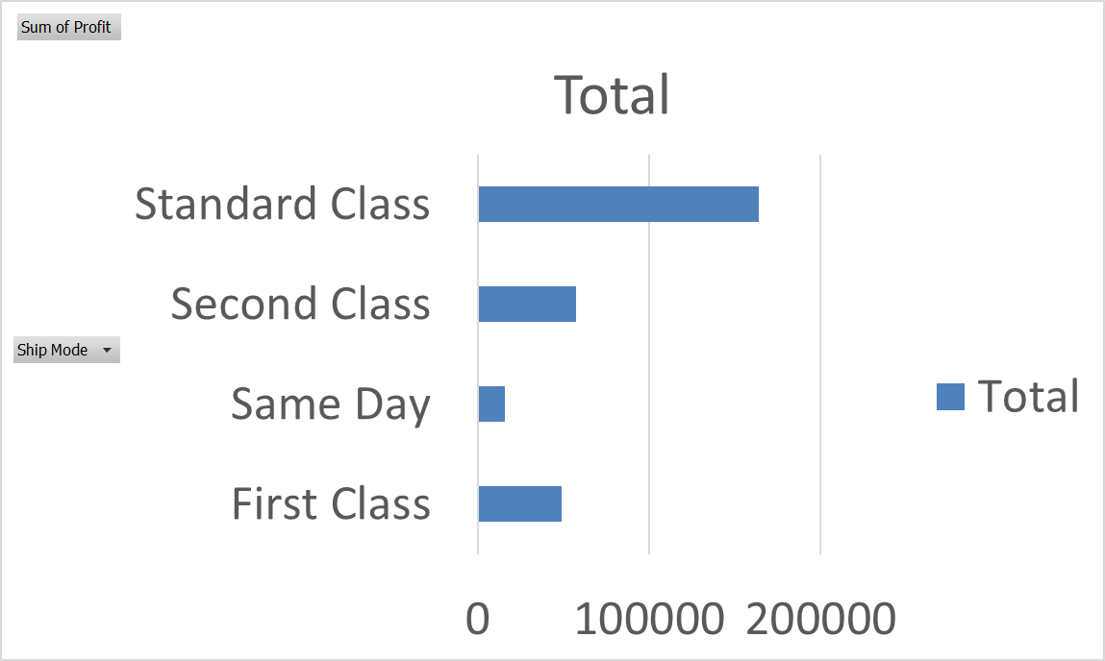
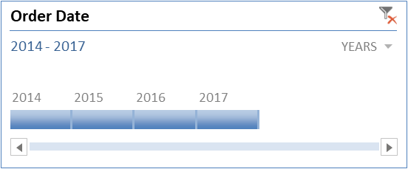
 | Orders | Customers | States | Ship Mode | Segments | Sales | Profit
 | 5009 | 793 | 49 | 4 | 3 | 2296919.4883 | 286409.0805

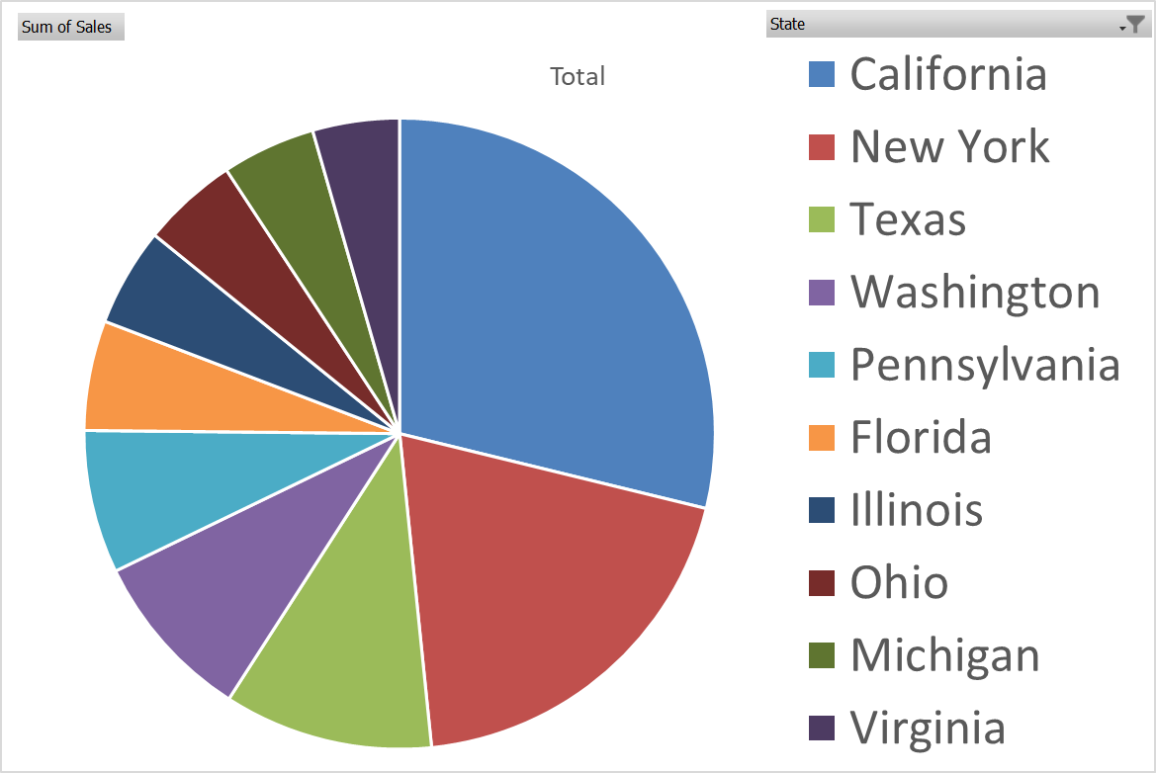
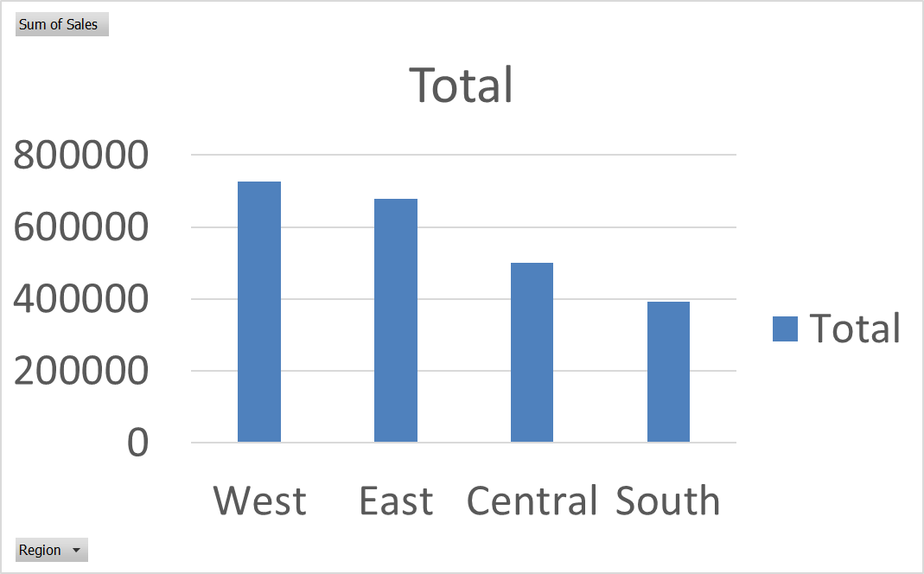
Sales Report | Top 10 States With The Highest Sales |  |  | Region Wise Sales |  |  | Category Wise Sales
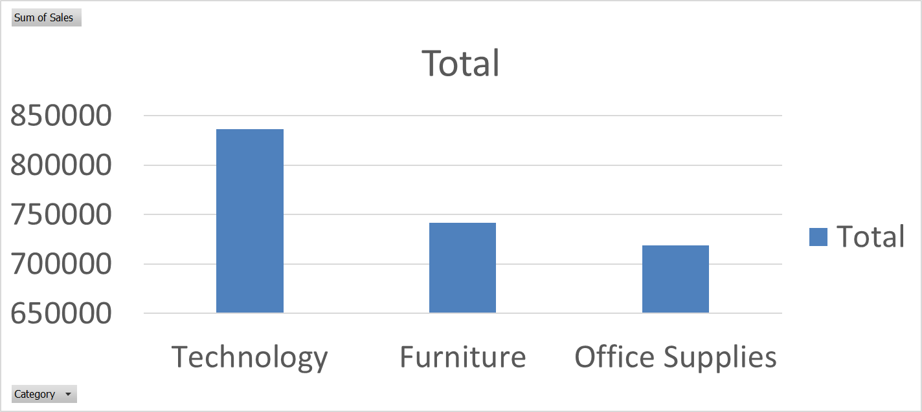

Profit Report | Segment Wise Sales |  |  | Year Wise Sales |  |  | Top 5 Profitable Sub-Categories
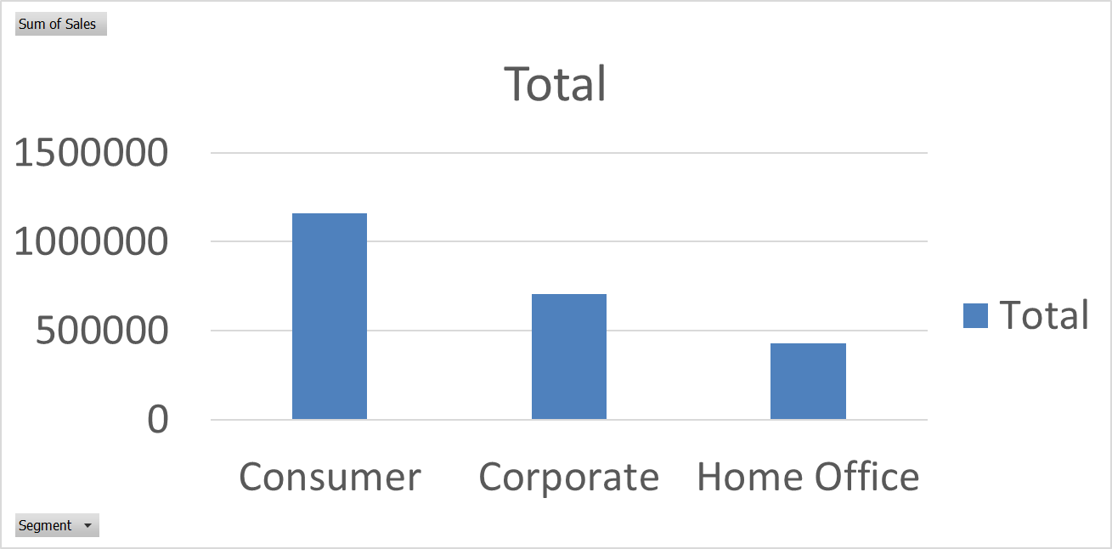
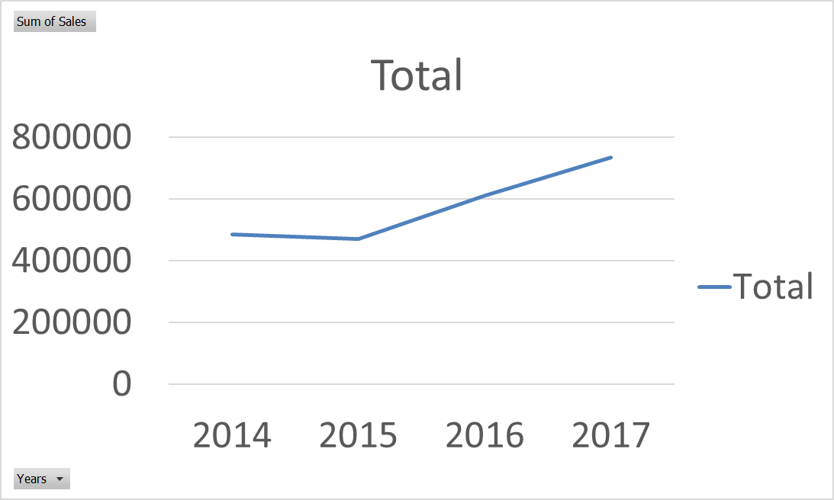
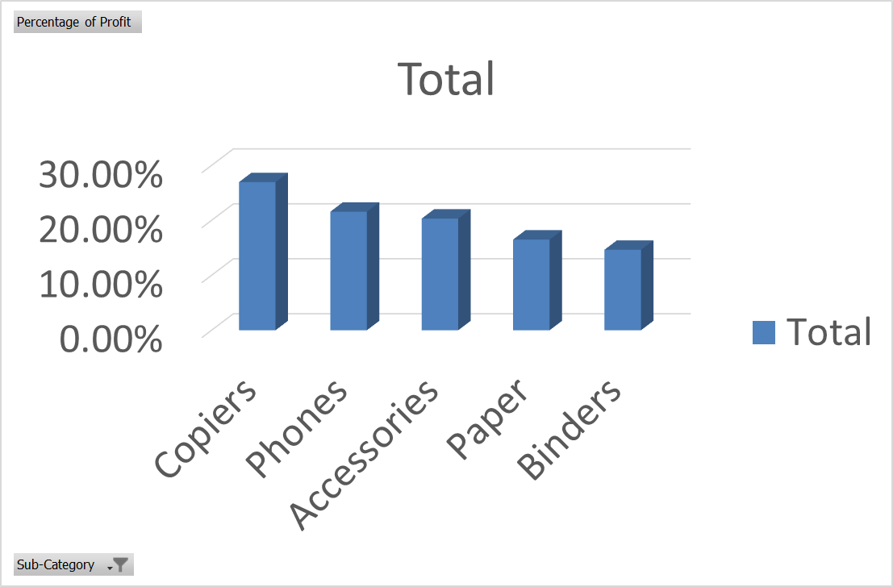

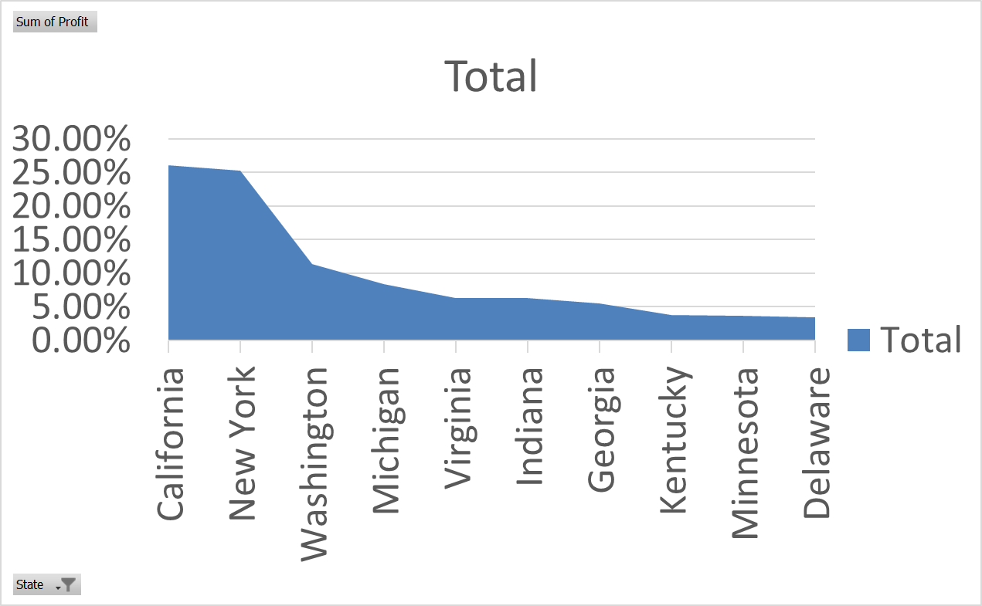
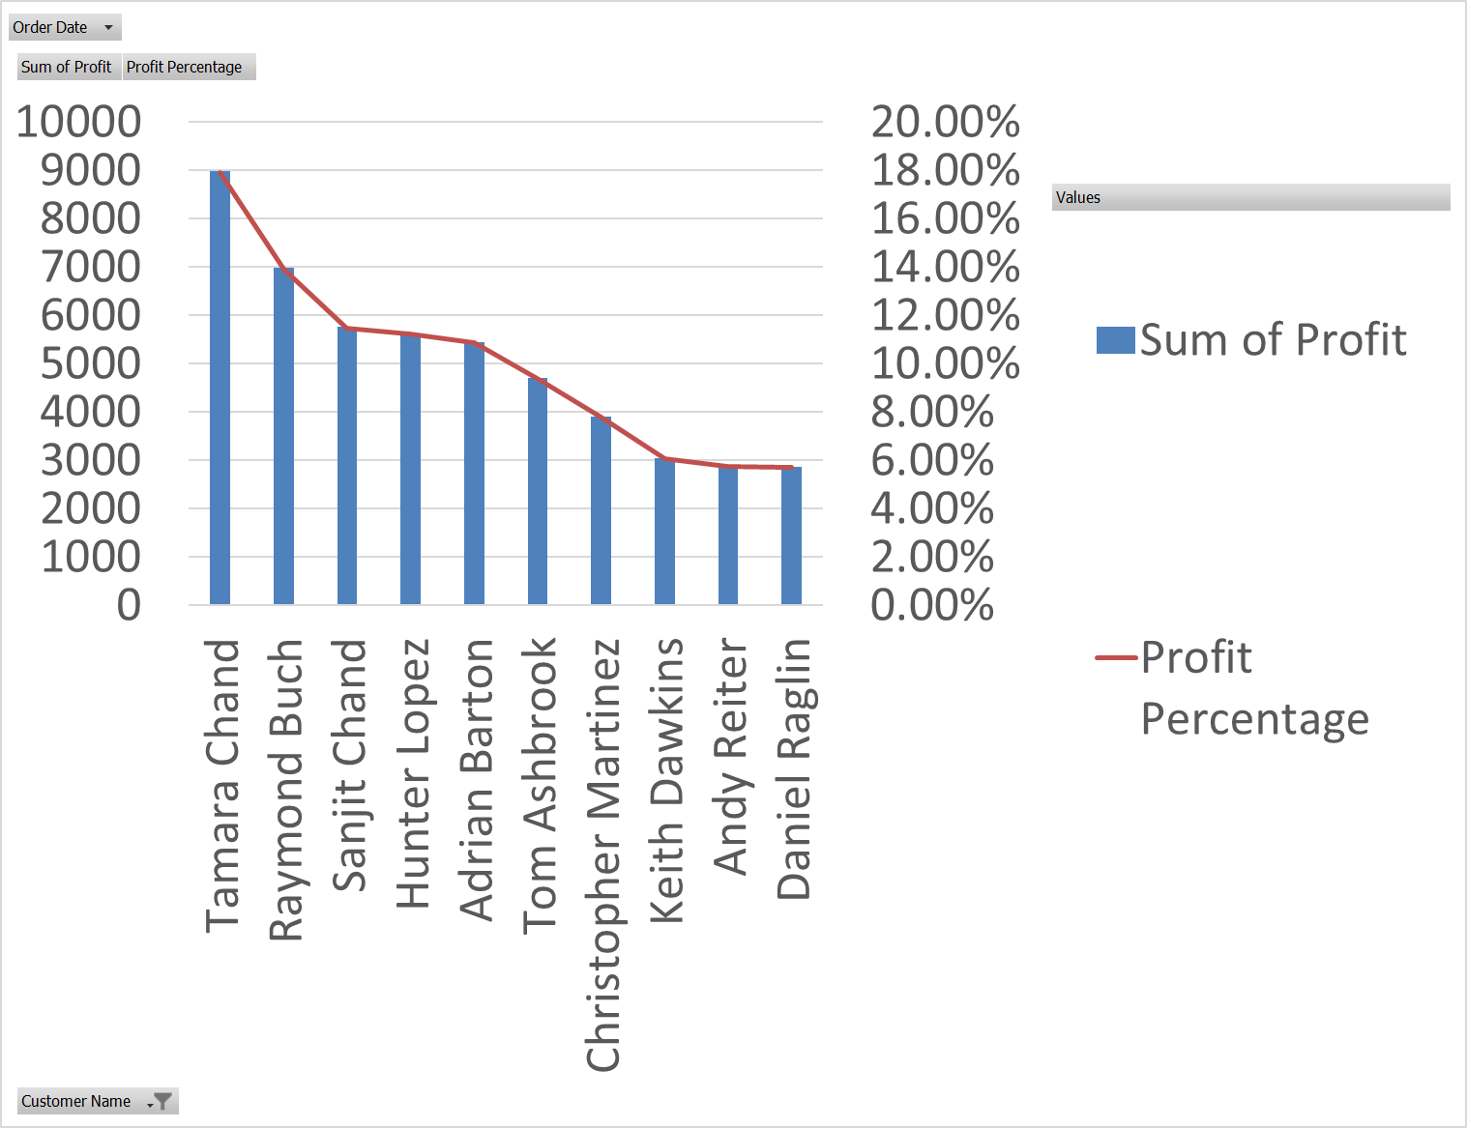
Customer Report | Top 10 Profit Making States |  |  | Ship Mode Wise Profit |  |  | Top 10 Customers

